Calculator
Brass Counter

 |  |  | Unit (gn) | 1lb | 5lb | 10lb | 20lb
 | Select Caliber: | .223 Remington | 95.24 | 74 | 368 | 735 | 1470
 |  |  | Unit (g) | 1kg | 5kg | 10kg | 20kg
 |  |  | 6.17 | 33 | 167 | 333 | 667

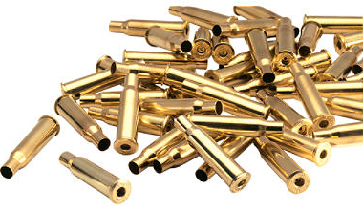
 | Input Weight: | 1.00 | LBS
 |  | 1.00 | OZ
 |  | 78 | Cases

Note: counting brass by weight is an approximate calculation.

Volume Conversion Table

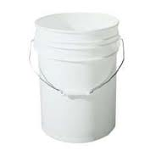
 |  | Ziploc bag (1 gallon packed)
 |  | Caliber | Weight | Cases
 |  | 9mm | 15.6 | 1836
 |  | .40 S&W | 12.2 | 1219
 |  | .45 ACP | 11.4 | 890
 |  | .223 Rem | 11 | 809

 |  | 5 Gallon bucket (Home Depot)
 |  | Caliber | Weight | Cases
 |  | 9mm | 73.92 | 8700
 |  | .40 S&W | 72.57 | 7250
 |  | .45 ACP | 49.94 | 3900
 |  | .223 Rem | 54.42 | 4000

©2012 C.J. Shull

